Median Home Prices USA
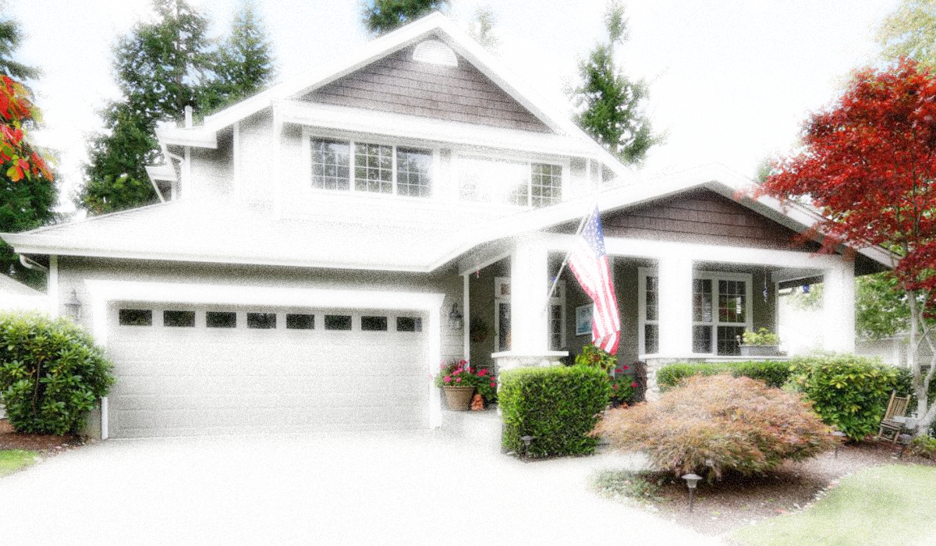
 | Down Payment (% of Home Price) |  |  | Interest Rate |  |  | Term (Years) |  |  |  | Click for Latest U.S. Housing Data
 | 20% |  |  | 8.00% |  |  | 30


 | Median Home Price in U.S.
 | 322,780.50

State rank | State or territory | Median home price in US$ | State Home Price to U.S. Median Home Price | Down Payment | Home Equity | Effective Real Estate Tax Rate | Real Estate Taxes per Year | Homeowner's Insurance per Year | Monthly Payment (Mortgage) | Real Estate Taxes per Month | Total Monthly Payment | Annual Gross Income Requirement (28% of Annual Salary)
1 | Hawaii | $839,013 | 2.60 | $167,802.60 | $671,210.40 | 0.27% | $2,265.34 | $226.53 | $4,925.10 | $188.78 | $5,340.42 | $234,923.64
2 | California | $765,197 | 2.37 | $153,039.40 | $612,157.60 | 0.71% | $5,432.90 | $543.29 | $4,491.80 | $452.74 | $5,487.83 | $214,255.16
3 | Massachusetts | $596,410 | 1.85 | $119,282.00 | $477,128.00 | 1.15% | $6,858.72 | $685.87 | $3,501.00 | $571.56 | $4,758.43 | $166,994.80
4 | Washington | $575,894 | 1.78 | $115,178.80 | $460,715.20 | 0.88% | $5,067.87 | $506.79 | $3,380.56 | $422.32 | $4,309.67 | $161,250.32
5 | Colorado | $539,151 | 1.67 | $107,830.20 | $431,320.80 | 0.49% | $2,641.84 | $264.18 | $3,164.88 | $220.15 | $3,649.22 | $150,962.28
6 | Utah | $509,433 | 1.58 | $101,886.60 | $407,546.40 | 0.55% | $2,801.88 | $280.19 | $2,990.43 | $233.49 | $3,504.11 | $142,641.24
7 | New Jersey | $503,432 | 1.56 | $100,686.40 | $402,745.60 | 2.33% | $11,729.97 | $1,173.00 | $2,955.20 | $977.50 | $5,105.70 | $140,960.96
8 | Oregon | $487,244 | 1.51 | $97,448.80 | $389,795.20 | 0.86% | $4,190.30 | $419.03 | $2,860.18 | $349.19 | $3,628.40 | $136,428.32
9 | New Hampshire | $454,948 | 1.41 | $90,989.60 | $363,958.40 | 1.89% | $8,598.52 | $859.85 | $2,670.60 | $716.54 | $4,246.99 | $127,385.44
10 | New York | $453,138 | 1.40 | $90,627.60 | $362,510.40 | 1.64% | $7,431.46 | $743.15 | $2,659.97 | $619.29 | $4,022.41 | $126,878.64
11 | Montana | $448,238 | 1.39 | $89,647.60 | $358,590.40 | 0.79% | $3,541.08 | $354.11 | $2,631.21 | $295.09 | $3,280.41 | $125,506.64
12 | Idaho | $443,500 | 1.37 | $88,700.00 | $354,800.00 | 0.56% | $2,483.60 | $248.36 | $2,603.40 | $206.97 | $3,058.72 | $124,180.00
13 | Rhode Island | $438,711 | 1.36 | $87,742.20 | $350,968.80 | 1.39% | $6,098.08 | $609.81 | $2,575.28 | $508.17 | $3,693.27 | $122,839.08
14 | Arizona | $426,680 | 1.32 | $85,336.00 | $341,344.00 | 0.56% | $2,389.41 | $238.94 | $2,504.66 | $199.12 | $2,942.72 | $119,470.40
15 | Nevada | $426,267 | 1.32 | $85,253.40 | $341,013.60 | 0.50% | $2,131.34 | $213.13 | $2,502.24 | $177.61 | $2,892.98 | $119,354.76
16 | Maryland | $406,843 | 1.26 | $81,368.60 | $325,474.40 | 1.02% | $4,149.80 | $414.98 | $2,388.22 | $345.82 | $3,149.01 | $113,916.04
17 | Florida | $392,306 | 1.22 | $78,461.20 | $313,844.80 | 0.82% | $3,216.91 | $321.69 | $2,302.88 | $268.08 | $2,892.65 | $109,845.68
18 | Connecticut | $384,244 | 1.19 | $76,848.80 | $307,395.20 | 2.00% | $7,684.88 | $768.49 | $2,255.56 | $640.41 | $3,664.45 | $107,588.32
19 | Maine | $382,580 | 1.19 | $76,516.00 | $306,064.00 | 1.17% | $4,476.19 | $447.62 | $2,245.79 | $373.02 | $3,066.42 | $107,122.40
20 | Virginia | $377,699 | 1.17 | $75,539.80 | $302,159.20 | 0.76% | $2,870.51 | $287.05 | $2,217.14 | $239.21 | $2,743.40 | $105,755.72
21 | Delaware | $374,252 | 1.16 | $74,850.40 | $299,401.60 | 0.55% | $2,058.39 | $205.84 | $2,196.90 | $171.53 | $2,574.27 | $104,790.56
22 | Vermont | $373,001 | 1.16 | $74,600.20 | $298,400.80 | 1.78% | $6,639.42 | $663.94 | $2,189.56 | $553.28 | $3,406.79 | $104,440.28
23 | Alaska | $349,502 | 1.08 | $69,900.40 | $279,601.60 | 1.16% | $4,054.22 | $405.42 | $2,051.62 | $337.85 | $2,794.89 | $97,860.56
24 | Wyoming | $334,782 | 1.04 | $66,956.40 | $267,825.60 | 0.58% | $1,941.74 | $194.17 | $1,965.21 | $161.81 | $2,321.19 | $93,738.96
25 | Minnesota | $323,034 | 1.00 | $64,606.80 | $258,427.20 | 1.05% | $3,391.86 | $339.19 | $1,896.25 | $282.65 | $2,518.09 | $90,449.52
26 | North Carolina | $322,527 | 1.00 | $64,505.40 | $258,021.60 | 0.73% | $2,354.45 | $235.44 | $1,893.27 | $196.20 | $2,324.92 | $90,307.56
27 | Georgia | $321,821 | 1.00 | $64,364.20 | $257,456.80 | 0.83% | $2,671.11 | $267.11 | $1,889.13 | $222.59 | $2,378.83 | $90,109.88
28 | Tennessee | $311,531 | 0.97 | $62,306.20 | $249,224.80 | 0.58% | $1,806.88 | $180.69 | $1,828.72 | $150.57 | $2,159.98 | $87,228.68
29 | Texas | $298,624 | 0.93 | $59,724.80 | $238,899.20 | 1.63% | $4,867.57 | $486.76 | $1,752.96 | $405.63 | $2,645.35 | $83,614.72
30 | South Dakota | $292,551 | 0.91 | $58,510.20 | $234,040.80 | 1.14% | $3,335.08 | $333.51 | $1,717.31 | $277.92 | $2,328.74 | $81,914.28
31 | New Mexico | $292,280 | 0.91 | $58,456.00 | $233,824.00 | 0.74% | $2,162.87 | $216.29 | $1,715.72 | $180.24 | $2,112.24 | $81,838.40
32 | South Carolina | $287,882 | 0.89 | $57,576.40 | $230,305.60 | 0.53% | $1,525.77 | $152.58 | $1,689.90 | $127.15 | $1,969.63 | $80,606.96
33 | Wisconsin | $286,394 | 0.89 | $57,278.80 | $229,115.20 | 1.59% | $4,553.66 | $455.37 | $1,681.17 | $379.47 | $2,516.00 | $80,190.32
34 | Pennsylvania | $255,570 | 0.79 | $51,114.00 | $204,456.00 | 1.41% | $3,603.54 | $360.35 | $1,500.23 | $300.29 | $2,160.87 | $71,559.60
35 | Nebraska | $251,315 | 0.78 | $50,263.00 | $201,052.00 | 1.54% | $3,870.25 | $387.03 | $1,475.25 | $322.52 | $2,184.79 | $70,368.20
36 | Illinois | $251,267 | 0.78 | $50,253.40 | $201,013.60 | 2.11% | $5,301.73 | $530.17 | $1,474.97 | $441.81 | $2,446.95 | $70,354.76
37 | North Dakota | $248,022 | 0.77 | $49,604.40 | $198,417.60 | 0.99% | $2,455.42 | $245.54 | $1,455.92 | $204.62 | $1,906.08 | $69,446.16
38 | Missouri | $238,125 | 0.74 | $47,625.00 | $190,500.00 | 0.91% | $2,166.94 | $216.69 | $1,397.82 | $180.58 | $1,795.09 | $66,675.00
39 | Michigan | $232,511 | 0.72 | $46,502.20 | $186,008.80 | 1.35% | $3,138.90 | $313.89 | $1,364.87 | $261.57 | $1,940.33 | $65,103.08
40 | Indiana | $231,533 | 0.72 | $46,306.60 | $185,226.40 | 0.77% | $1,782.80 | $178.28 | $1,359.13 | $148.57 | $1,685.97 | $64,829.24
41 | Alabama | $221,490 | 0.69 | $44,298.00 | $177,192.00 | 0.39% | $863.81 | $86.38 | $1,300.17 | $71.98 | $1,458.54 | $62,017.20
42 | Ohio | $217,698 | 0.67 | $43,539.60 | $174,158.40 | 1.43% | $3,113.08 | $311.31 | $1,277.91 | $259.42 | $1,848.64 | $60,955.44
43 | Kansas | $217,315 | 0.67 | $43,463.00 | $173,852.00 | 1.34% | $2,912.02 | $291.20 | $1,275.66 | $242.67 | $1,809.53 | $60,848.20
44 | Iowa | $208,755 | 0.65 | $41,751.00 | $167,004.00 | 1.49% | $3,110.45 | $311.04 | $1,225.42 | $259.20 | $1,795.67 | $58,451.40
45 | Oklahoma | $199,378 | 0.62 | $39,875.60 | $159,502.40 | 0.85% | $1,694.71 | $169.47 | $1,170.37 | $141.23 | $1,481.07 | $55,825.84
46 | Arkansas | $198,838 | 0.62 | $39,767.60 | $159,070.40 | 0.59% | $1,173.14 | $117.31 | $1,167.20 | $97.76 | $1,382.28 | $55,674.64
47 | Kentucky | $196,550 | 0.61 | $39,310.00 | $157,240.00 | 0.80% | $1,572.40 | $157.24 | $1,153.77 | $131.03 | $1,442.04 | $55,034.00
48 | Louisiana | $194,308 | 0.60 | $38,861.60 | $155,446.40 | 0.55% | $1,068.69 | $106.87 | $1,140.61 | $89.06 | $1,336.54 | $54,406.24
49 | Mississippi | $171,613 | 0.53 | $34,322.60 | $137,290.40 | 0.76% | $1,304.26 | $130.43 | $1,007.39 | $108.69 | $1,246.50 | $48,051.64
50 | West Virginia | $155,491 | 0.48 | $31,098.20 | $124,392.80 | 0.55% | $855.20 | $85.52 | $912.75 | $71.27 | $984.02 | $43,537.48

